GUI CGI SPEC
Xmind
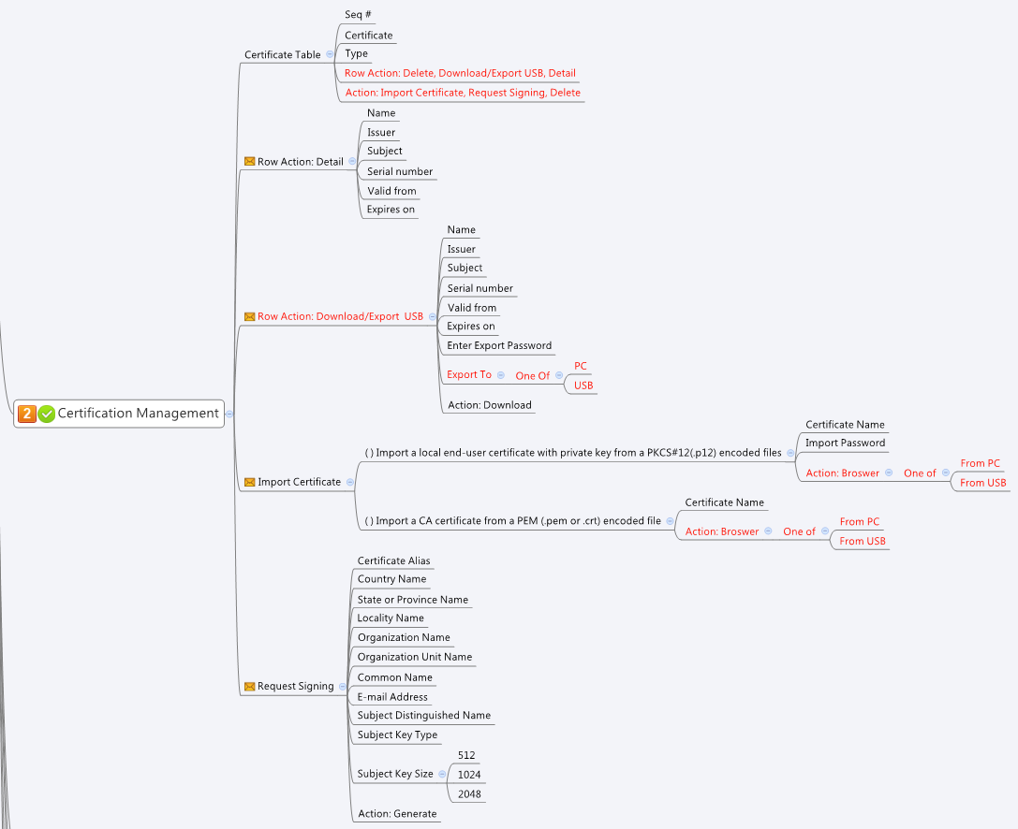

Behavior
1. Import Certificate 使用certmngImport.cgi POST METHOD 請參考下方Impoer html sample
2. Download/Export Certificate 使用certmngDownloadURL.cgi GET METHOD
3. Certificate type = 1為Local Certificate (.p12 format) 不論匯入匯出都需要密碼
4. Request Signing中的欄位都為必填 Country Name為兩個字元 請參考Country Code分頁的內容
5. default certificate不可刪除
6. Grey out import from USB/Export To USB when common_usbFile_list.status = 0

# Limitations: Max CertMng Table Size = 128

[UI Display Name] | [CGI Name] | [JSON Name] | [Description] | Range / Default Value / Units
Certificate List |  |  |  | Table size: 128
N/A | certmngReadList.cgi | guiCertNum | number of certificate in the system | length: 63
N/A | certmngReadList.cgi | guiCertT.gid | unique numeric ID
Certificate | certmngReadList.cgi | guiCertT.name | Certificate name user named when imported
Type | certmngReadList.cgi | guiCertT.type | 0: CA certificate 1: Local certificate 2: CSR
 | certmngReadList.cgi | guiCertT.status | reserved
 | certmngReadList.cgi | guiCertT.filename | the file name for the certificate

 | certmngDetail.cgi | gid | post this gid to CGI to get detailed information
Name | certmngDetail.cgi | name
 | certmngDetail.cgi | status
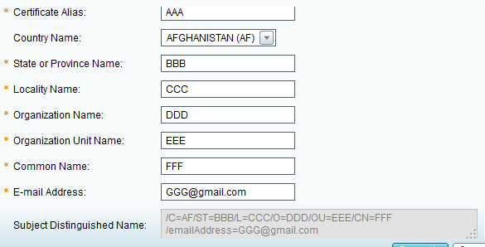
Subject | certmngDetail.cgi | subject
Issuer | certmngDetail.cgi | issuer
Valid from | certmngDetail.cgi | validFrom
Expires on | certmngDetail.cgi | expiresOn
Serial number | certmngDetail.cgi | serial

Certificate Name | certmngGenerateCSR.cgi | name | MUST
Country Name | certmngGenerateCSR.cgi | country | MUST (Please refer to "Country Code" Tab) | 2 bytes only. For example CA for Canada
State of Province Name | certmngGenerateCSR.cgi | province | MUST
Locality Name | certmngGenerateCSR.cgi | locality | MUST
Organization Name | certmngGenerateCSR.cgi | organization | MUST
Organization Unit Name | certmngGenerateCSR.cgi | unit | MUST
Common Name | certmngGenerateCSR.cgi | commonName | MUST
Email Address | certmngGenerateCSR.cgi | email | MUST
Subject Distinguished Name |  |  | When user have modified above settings, update this field immediately. ====================== /C=[Country Name]/ST=[State or Province Name]/L=[Locality Name]/O=[Organization Name]/OU=[Organization Unit Name]/CN=[Common Name]/emailAddress=[Email Address] | This field should be automatically generated by GUI, for example, if user change common name, then CN=[Common Name] Should be changed to reflect the action
Subject Key Type |  |  | Keep this value as RSA always
Subject Key Size | certmngGenerateCSR.cgi | keySize | 512bits or 1024bits or 2048bits

gid | certmngDownloadURL.cgi | gid | The certificate gid to be downloaded
password | certmngDownloadURL.cgi | password | If the certificate type is 1, password is required
exportType | certmngDownloadURL.cgi | exportType | 0: Export to PC 1: Export to USB

type | certmngImport.cgi | type | 0: CA certificate 1: Local certificate
name | certmngImport.cgi | name | certificate name used to identify the certificate. This name must be unique, please get all name fromcertmngReadList.cgi | length: 63
password | certmngImport.cgi | password | password to decrypte type 1 certificate
binary | certmngImport.cgi | binary | file, valid when importType = 0
importType | certmngImport.cgi | importType | 0: Import From PC 1: Import From USB
usbPath | certmngImport.cgi | usbPath | usb file path, valid when importType = 1. Use the “common_usbFile_list.cgi” to get the USB status and its file list. Please see the “JSON String” section to see the format.

JSON String
certmngReadList.cgi
## GET for get certificate list ##
{
"guiCertNum":5,
"guiCertT":[
{
"gid":272433152,
"name":"default",
"type":1,
"status":1,
"filename":"default.pem"
},
{
"gid":272433153,
"name":"ca.crt",
"type":0,
"status":0,
"filename":"ca.crt"
},
{
"gid":272433154,
"name":"test3.p12",
"type":1,
"status":0,
"filename":"test3.p12.pem"
},
{
"gid":272433155,
"name":"test4_ca.crt",
"type":0,
"status":0,
"filename":"test4_ca.crt"
},
{
"gid":272433156,
"name":"cert3_pwd11111111.p12",
"type":1,
"status":0,
"filename":"cert3_pwd11111111.p12.pem"
}
]
}
certmngDetail.cgi
## POST ##
{
"gid":272433154
}
## After POST, CGI will return ##
{"msg":"Success","duration":1,"gid":272433155,"name":"","status":0,"subject":"/C=TW/ST=TW/L=HsinChu/O=Titan12F/OU=Titan12F/CN=test3_ca/name=EasyRSA/emailAddress=pantheon.12f@gmail.com","issuer":"/C=TW/ST=TW/L=HsinChu/O=Titan12F/OU=Titan12F/CN=test3_ca/name=EasyRSA/emailAddress=pantheon.12f@gmail.com","validFrom":"Nov 15 00:24:02 2014 GMT","expiresOn":"Nov 12 00:24:02 2024 GMT","serial":"85A14076691F9EEE"}

certmngDelete.cgi
## POST ##
{
"gid":272433154
}

certmngGenerateCSR.cgi
## POST ##
{
"name":"pantheon",
"country":"TW",
"province":"Hsinchu",
"locality":"fsad",
"organization":"p12",
"unit":"dsa",
"commonName":"vdsaa",
"email":"pp@gmail.com",
"keySize":"2048"
}

Import HTML Sample
####
1 <!DOCTYPE HTML PUBLIC "-//W3C//DTD HTML 4.0 Transitional//EN" >
2 <html>
3 <head>
4 <title>Test Certificate Example</title>
5 </head>
6
7 <body>
8 <h3><a href="./index.html">CGI Tester</a> Profile Tester</h3>
9
10 <hr>
11
12
13 <h1>Import Certificate</h1>
14
15 <h2>Import Certificate from PC</h2>
16 <form method="post" action="/cgi-bin/certmngImport.cgi" enctype="multipart/form-data">
17 Type: <input type="text" name="type"><br>
18 Password: <input type="text" name="password"><br>
19 Name: <input type="text" name="name"><br>
20 Select file: <input type="file" name="binary">
21 <br><input type="submit" value="IMPORT Certificate">
22 </form>
23
24 <hr>
25
26
27 </body>
28 </html>

## cgi name ##
common_usbFile_list.cgi
## GET ##
{
"status": 1,
"guiUsbFileT": [
{
"name": "root_uImage",
"path": "/media/sda/root_uImage"
},
{
"name": "archer_config.xml",
"path": "/media/sda/archer_config.xml"
},
{
"name": "._.Trashes",
"path": "/media/sda/._.Trashes"
}
]
}

